deposit
ID | Description | Related TC | Pre-Condition | Steps | Priority | Severity | Created by | Assigned to | Expected Result | Actual Result | Attachments | Status
BUG_BK_DP_003 | Validate withdrawal with valid account number ( no characters or special Characters , must not be blank) , valid amount field ( no characters or special Characters , must not be blank) and valid description ( must not be empty) | TC_BK_DP_001 | 1- Manager is already has an account and logged in 2- Deposit page for manager is opened 3- Customer should have account | 1- Enter 130644 as account nember 2-Enter 400 in the amount field 3- Enter wderfds in description 4-press submit | High | Major | Huda | Developer "X" | Deposit should be done successfilly | error page appeard | 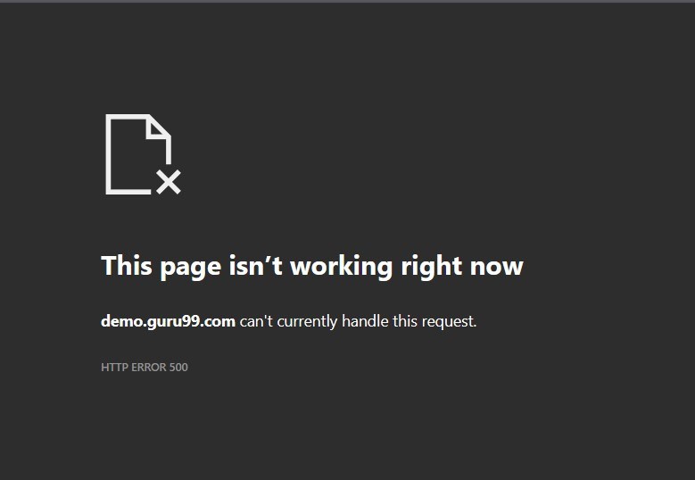 | Open

BUG_BK_DP_004 | Validate withdrawal with valid account number ( no characters or special Characters , must not be blank) , valid amount field ( no characters or special Characters , must not be blank) and valid description ( must not be empty) | TC_BK_DP_009 | 1- Manager is already has an account and logged in 2- Deposit page for manager is opened 3- Customer should have account | 1- Enter 67 8965 as account nember 2-Enter 400 in the amount field 3- Enter wderfds in description 4-press submit | High | Major | Huda | Developer "X" | Deposit should be done successfilly | Error message appeares characters not allowed |  | Open

customize statement
BUG REPORT
ID | Description | Related TC | Pre-Condition | Steps | Priority | Severity | Created by | Assigned to | Expected Result | Actual Result | Attachments | Status
BUG_BK_Cust_Stat_M_001 | the system accepted char however it shoudnt | TC_BK_Cust-stat_NOT_M_0030 | 1-Accessable bank site URL 2-Accessable customer account 3-Login 4-From left list choose customize statement | 1- Press Reset button 2-choose amount lower limit field 3-enter 'number of transaction' 4- press on 'submit' button | high | Minor | Mohamed El_Kassas | Developer "X" | An Error should be appear | No Error appeared |  | Close
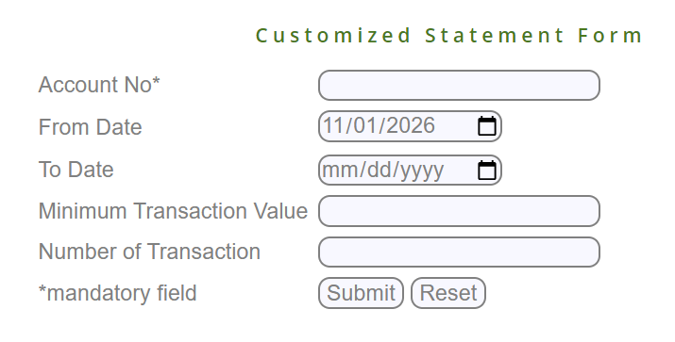
BUG_BK_Cust_Stat_M_002 | customer entered a date greater than today however it isn't acceptable to enter a date greater that today | TC_BK_Cust-stat_NOT_M_0031 | 1-Accessable bank site URL 2-Accessable customer account 3-Login 4-From left list choose customize statement | 1-Press Reset button 2 Go to amount lower limit field 3- Enter " date " 4-press submit | high | Minor | Mohamed El_Kassas | Developer "X" | An Error should be appear | No Error appeared |  | reopen

TC_BK_Cust-stat_ALL_M_003 | The Manager can't access unassociated account | TC_BK_Cust-stat_ALL_M_0026 | "1-Accessable bank site URL 2-Accessable customer account 3-Login 4-From left list choose customize statement" | 1-Press Reset button 2 Go to amount lower limit field 3- Enter " number of transaction " 4-press submit | Mohamed Elkasas | Major | Mohamed Elkasas | Developer " " | An Error should be appear | No Error appeared |  | reopen
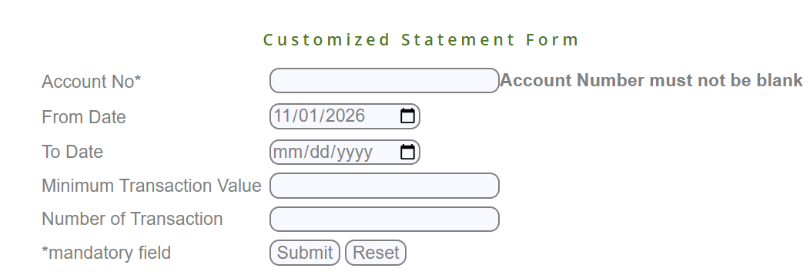
TC_BK_Cust-stat_ALL_M_004 | there is no error appeared when customer leave transaction field blank | TC_BK_Cust-stat_NOT_M_0028 | "1-Accessable bank site URL 2-Accessable customer account 3-Login 4-From left list choose customize statement" | 1-Press Reset button 2 Go to amount lower limit field 3- Enter " number of transaction " 4-press submit | Mohamed Elkasas | Major | Mohamed Elkasas | Developer " " | An Error should be appear | No Error appeared |  | reopen

BUG_BK_Cust_Stat_M_005 | the system accepted Special character however it shoudnt | TC_BK_Cust-stat_ALL_M_0024 | 1-Accessable bank site URL 2-Accessable customer account 3-Login 4-From left list choose customize statement | 1- Press Reset button 2-choose amount lower limit field 3-enter 'number of transaction' 4- press on 'submit' button | high | Minor | Mohamed El_Kassas | Developer "X" | An Error should be appear | No Error appeared |  | Closed
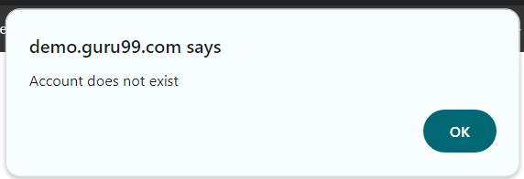
BUG_BK_Cust_Stat_M_006 | user cant submit with valid account number " | TC_BK_Cust-stat_AC_M_00017 | 1-Accessable bank site URL 2-Accessable customer account 3-Login 4-From left list choose customize statement | 1- Press Reset button 2-choose amount lower limit field 3-enter 'number of transaction' 4- press on 'submit' button | high | Major | Mohamed El_Kassas | Developer "X" | "customized statement for the customer will appear " | the system didnt accept the the valid account id |  | reopen

BUG_BK_Cust_Stat_NOT_M_007 | the system accepted Special character however it shoudnt | TC_BK_Cust-stat_NOT_M_0029 | 1-Accessable bank site URL 2-Accessable customer account 3-Login 4-From left list choose customize statement | 1- Press Reset button 2-choose amount lower limit field 3-enter 'number of transaction' 4- press on 'submit' button | high | Minor | Mohamed El_Kassas | Developer "X" | An Error should be appear | No Error appeared |  | Closed

BUG_BK_Cust_Stat_NOT_M_008 | customized statement doesn't appeared with valid account number | TC_BK_Cust-stat_AC_M_00017 | 1-Accessable bank site URL 2-Accessable customer account 3-Login 4-From left list choose customize statement | 1-Go to account number field 2- Enter " account number " 3-press submit | high | Minor | Mohamed El_Kassas | Developer "X" | customized statement displayed successfully | customized statement doesn't appeared with valid account number |  | reopen

BUG_BK_Cust_Stat_NOT_M_009 | the system accepted space as a number in the begining of the no. however it shoudnt | TC_BK_Cust-stat_NOT_M_0033 | 1-Accessable bank site URL 2-Accessable customer account 3-Login 4-From left list choose customize statement | 1- Press Reset button 2-choose amount lower limit field 3-enter 'number of transaction' 4- press on 'submit' button | low | Minor | Mohamed El_Kassas | Developer "X" | An Error should be appear | No Error appeared |  | reopen

BUG_BK_Cust_Stat_NOT_M_010 | the system accepted space as a number in the begining of the no. however it shoudnt | TC_BK_Cust-stat_AC_M_0035 | 1-Accessable bank site URL 2-Accessable customer account 3-Login 4-From left list choose customize statement | 1- Press Reset button 2-choose amount lower limit field 3-enter 'number of transaction' 4- press on 'submit' button | low | Minor | Mohamed El_Kassas | Developer "X" | An Error should be appear | No Error appeared |  | reopen

BUG_BK_Cust_Stat_NOT_M_011 | the system accepted space as a number in the begining of the no. however it shoudnt | TC_BK_Cust-stat_ALL_M_0034 | 1-Accessable bank site URL 2-Accessable customer account 3-Login 4-From left list choose customize statement | 1- Press Reset button 2-choose amount lower limit field 3-enter 'number of transaction' 4- press on 'submit' button | low | Minor | Mohamed El_Kassas | Developer "X" | An Error should be appear | No Error appeared |  | reopen

